Hoja1
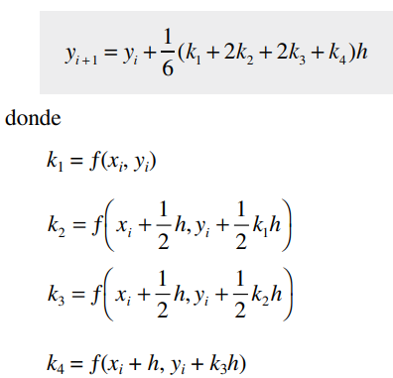
t | T | f(t,T) | Heun (T) | k1 | k2 | RK4 | K1 | K2 | K3 | K4
0 | 90 | -4.55 | 90 | -4.55 | -3.913 | 90 | -4.55 | -4.2315 | -4.253795 | -3.9544687
2 | 80.9 | -3.913 | 81.537 | -3.95759 | -3.4035274 | 81.508313767 | -3.9555819637 | -3.6786912262 | -3.6980735778 | -3.4378516628
4 | 73.074 | -3.36518 | 74.1758826 | -3.442311782 | -2.9603881325 | 74.125992688 | -3.4388194882 | -3.198102124 | -3.2149523395 | -2.9887261607
6 | 66.34364 | -2.8940548 | 67.773182685 | -2.994122788 | -2.5749455977 | 67.70810783 | -2.9895675481 | -2.7802978197 | -2.7949467007 | -2.59827501 | H= | 2
8 | 60.5555304 | -2.488887128 | 62.2041143 | -2.604288001 | -2.2396876808 | 62.128663964 | -2.5990064774 | -2.417076024 | -2.4298111558 | -2.2588329156 | K= | 0.07
10 | 55.577756144 | -2.1404429301 | 57.360138618 | -2.2652097033 | -1.9480803448 | 57.278126046 | -2.2594688232 | -2.1013060056 | -2.1123774028 | -1.9637359868 | T(amb)= | 25
 |  |  |  |  |  |  |  |  |  |  | T(final)= | 10

